Data
1993 Automobile Performance and Specifications

Mfgr/Model | HPMax | CityMPG | Variable | Definition
Acura Integra | 140 | 25 | HPMax | Horsepower (maximum)
Acura Legend | 200 | 18 | CityMPG | City MPG (miles per gallon by EPA rating)
Source Robin H. Lock , St. Lawrence University, Journal of Statistics Education, Vol. 1, No. 1 (1993). Data are from PACE New Car & Truck 1993 Buying Guide 1993, Milwaukee, WI: Pace Publications Inc.; Student Edition of Execustat (1990), Boston, MA: PWS-KENT Publishing Co.; and Consumer Reports: The 1993 Cars - Annual Auto Issue (April 1993), Yonkers, NY: Consumers Union.
Audi 90 | 172 | 20
Audi 100 | 172 | 19
BMW 535i | 208 | 22
Buick Century | 110 | 22
Buick LeSabre | 170 | 19
Buick Roadmaster | 180 | 16
Buick Riviera | 170 | 19
Cadillac DeVille | 200 | 16
Cadillac Seville | 295 | 16
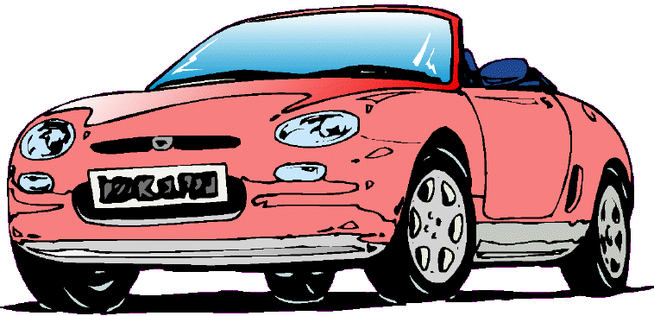
Chevrolet Cavalier | 110 | 25
Chevrolet Corsica | 110 | 25
Chevrolet Camaro | 160 | 19
Chevrolet Lumina | 110 | 21
Chevrolet Lumina APV | 170 | 18
Chevrolet Astro | 165 | 15
Chevrolet Caprice | 170 | 17
Chevrolet Corvette | 300 | 17
Chrysler Concorde | 153 | 20
Chrysler LeBaron | 141 | 23
Chrysler Imperial | 147 | 20
Dodge Colt | 92 | 29
Dodge Shadow | 93 | 23
Dodge Spirit | 100 | 22
Dodge Caravan | 142 | 17
Dodge Dynasty | 100 | 21
Dodge Stealth | 300 | 18
Eagle Summit | 92 | 29
Eagle Vision | 214 | 20
Ford Festiva | 63 | 31
Ford Escort | 127 | 23
Ford Tempo | 96 | 22
Ford Mustang | 105 | 22
Ford Probe | 115 | 24
Ford Aerostar | 145 | 15
Ford Taurus | 140 | 21
Ford Crown Victoria | 190 | 18
Geo Metro | 55 | 46 | Note: Print area is truncated since file is long.
Geo Storm | 90 | 30
Honda Prelude | 160 | 24
Honda Civic | 102 | 42
Honda Accord | 140 | 24
Hyundai Excel | 81 | 29
Hyundai Elantra | 124 | 22
Hyundai Scoupe | 92 | 26
Hyundai Sonata | 128 | 20
Infiniti Q45 | 278 | 17
Lexus ES300 | 185 | 18
Lexus SC300 | 225 | 18
Lincoln Continental | 160 | 17
Lincoln Town Car | 210 | 18
Mazda 323 | 82 | 29
Mazda Protege | 103 | 28
Mazda 626 | 164 | 26
Mazda MPV | 155 | 18
Mazda RX-7 | 255 | 17
Mercedes-Benz 190E | 130 | 20
Mercedes-Benz 300E | 217 | 19
Mercury Capri | 100 | 23
Mercury Cougar | 140 | 19
Mitsubishi Mirage | 92 | 29
Mitsubishi Diamante | 202 | 18
Nissan Sentra | 110 | 29
Nissan Altima | 150 | 24
Nissan Quest | 151 | 17
Nissan Maxima | 160 | 21
Oldsmobile Achieva | 155 | 24
Oldsmobile Cutlass Ciera | 110 | 23
Oldsmobile Silhouette | 170 | 18
Oldsmobile Eighty-Eight | 170 | 19
Plymouth Laser | 92 | 23
Pontiac LeMans | 74 | 31
Pontiac Sunbird | 110 | 23
Pontiac Firebird | 160 | 19
Pontiac Grand Prix | 200 | 19
Pontiac Bonneville | 170 | 19
Saab 900 | 140 | 20
Saturn SL | 85 | 28
Subaru Justy | 73 | 33
Subaru Loyale | 90 | 25
Subaru Legacy | 130 | 23
Suzuki Swift | 70 | 39
Toyota Tercel | 82 | 32
Toyota Celica | 135 | 25
Toyota Camry | 130 | 22
Toyota Previa | 138 | 18
Volkswagen Fox | 81 | 25
Volkswagen Eurovan | 109 | 17
Volkswagen Passat | 134 | 21
Volkswagen Corrado | 178 | 18
Volvo 240 | 114 | 21
Volvo 850 | 168 | 20

